LACOSTE
 |  |  |  | FR | 3 | 4 | 5 | 6 | 7 | 8 |  |  | Please Click on (+) button to check the size availability per SKU
 |  |  |  | EUR | S | M | L | XL | XXL | XXXL | 2557 |  |  | € -
PHOTO | SKU | STYLE | COLOR | S I Z E |  |  |  |  |  |  | QTY | RRP | WHL | TOTAL
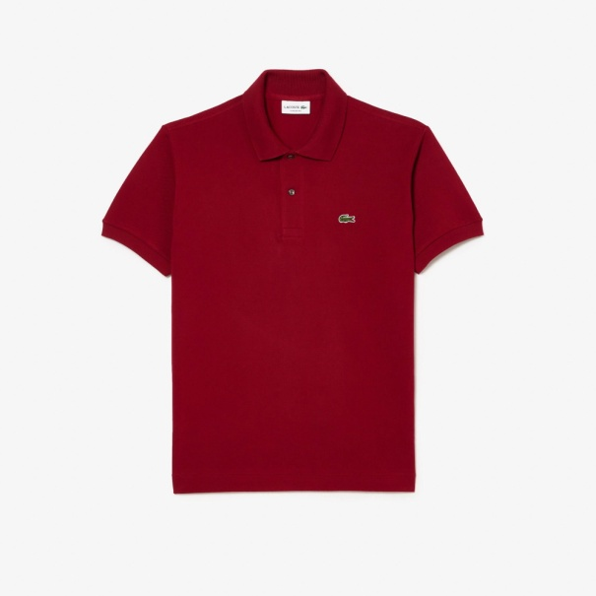 | L.12.12 00 476 | LACOSTE MEN POLO | BORDEAUX |  | 38 | 64 | 100 | 58 | 25 | 34 | 319 | € 110.00 | € 45.80 | € -
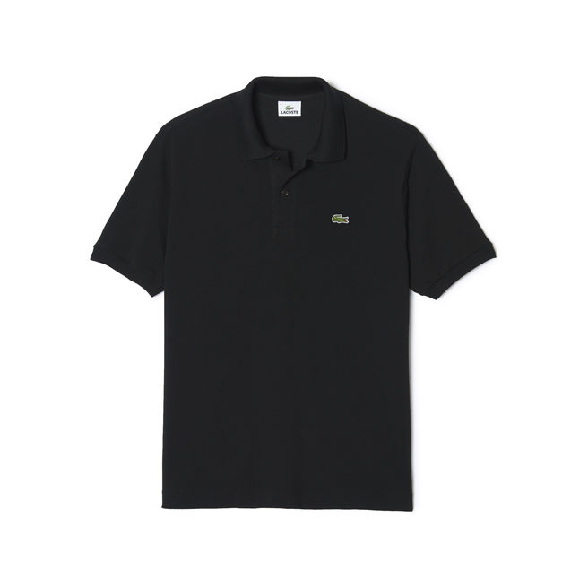 | L.12.12 00 031 | LACOSTE MEN POLO | BLACK - NOIR |  | 43 | 69 | 80 | 28 | 35 | 54 | 309 | € 110.00 | € 45.80 | € -
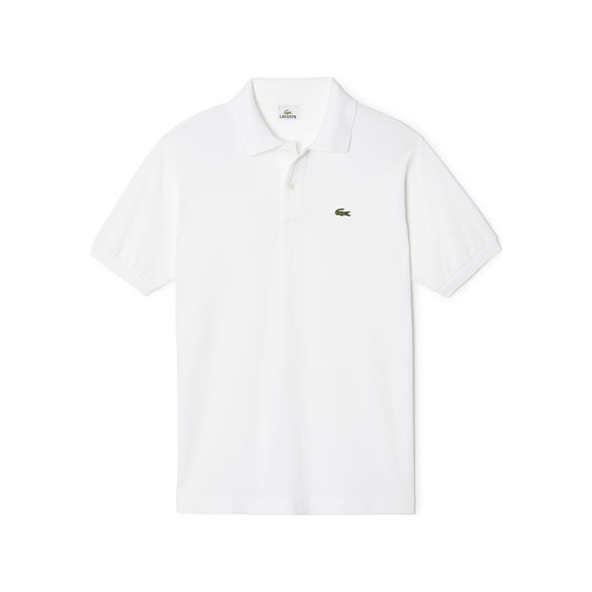 | L.12.12 00 001 | LACOSTE MEN POLO | WHITE - BLANCH |  | 43 | 69 | 80 | 28 | 35 | 54 | 309 | € 110.00 | € 45.80 | € -
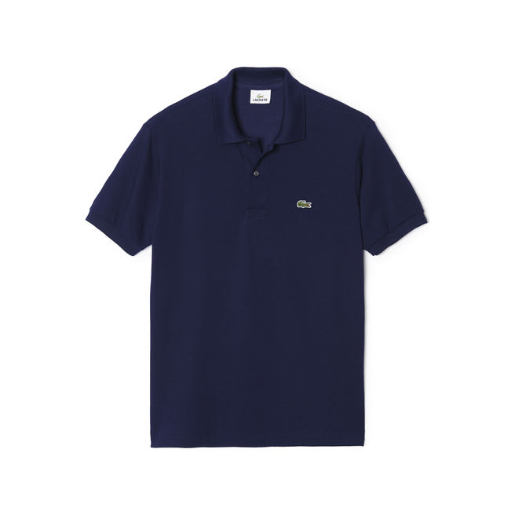 | L.12.12 00 166 | LACOSTE MEN POLO | MIDNIGTH BLUE - BLEU MARINE |  | 43 | 59 | 80 | 28 | 35 | 54 | 299 | € 110.00 | € 45.80 | € -
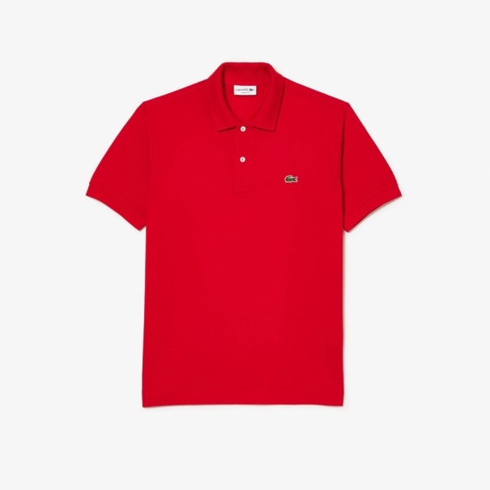 | L.12.12 00 240 | LACOSTE MEN POLO | RED - ROUGE |  | 28 | 61 | 87 | 50 | 19 | 26 | 271 | € 110.00 | € 45.80 | € -
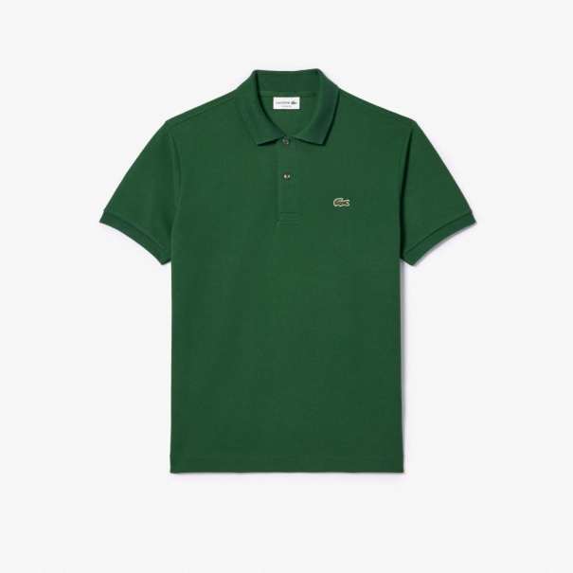 | L.12.12 00 132 | LACOSTE MEN POLO | GREEN - VERT |  | 28 | 38 | 72 | 30 | 29 | 36 | 233 | € 110.00 | € 45.80 | € -
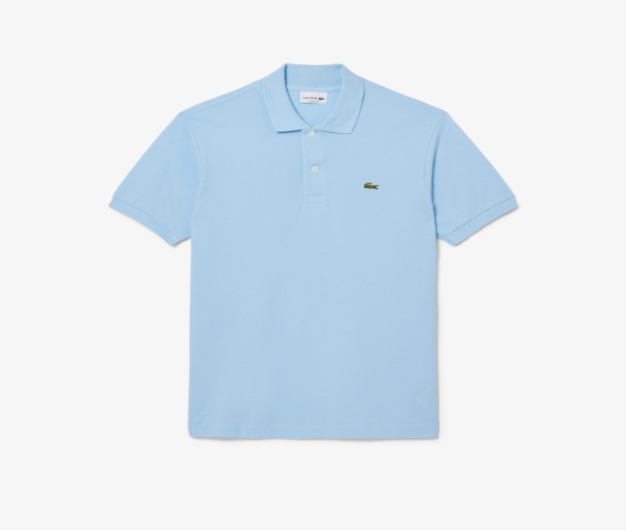 | L.12.12 00 l99 | LACOSTE MEN POLO | BLUE |  | 29 | 43 | 64 | 37 | 14 | 23 | 210 | € 110.00 | € 45.80 | € -
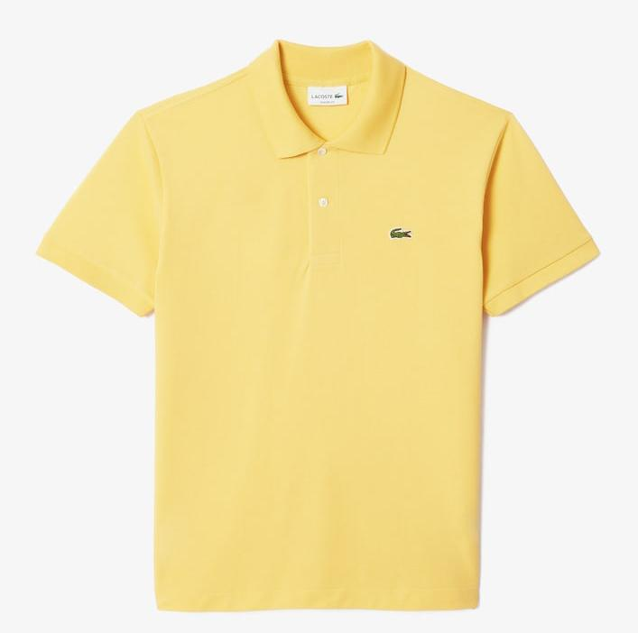 | L.12.12 00 107 | LACOSTE MEN POLO | YELLOW |  | 24 | 45 | 61 | 34 | 11 | 22 | 197 | € 110.00 | € 45.80 | € -
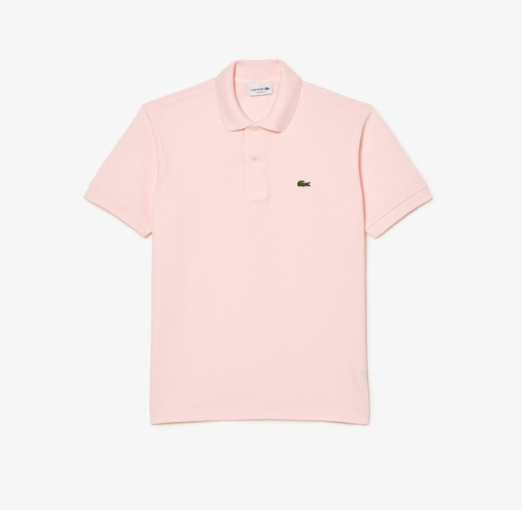 | L.12.12 00 T03 | LACOSTE MEN POLO | PINK |  | 24 | 35 | 51 | 41 | 16 | 18 | 185 | € 110.00 | € 45.80 | € -
 | L1212-00-4XA | LACOSTE MEN POLO | ULTRA MARINE BLUE |  | 18 | 36 | 57 | 30 | 14 | 21 | 176 | € 110.00 | € 45.80 | € -
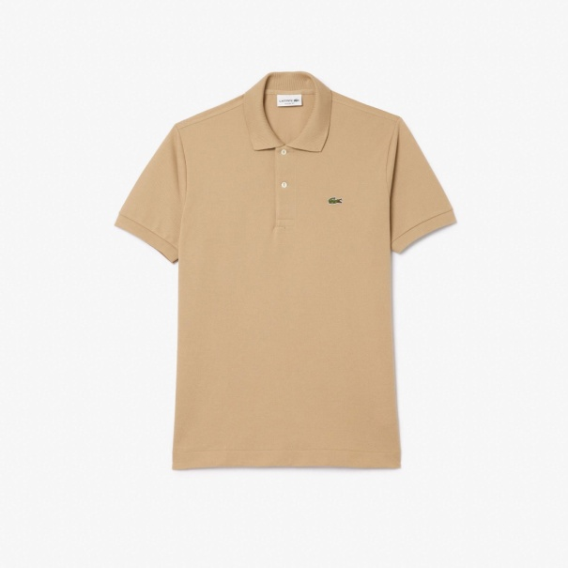 | L.12.12 00 02S | LACOSTE MEN POLO | BEIGE |  | 8 | 16 | 2 | -5 | 12 | 16 | 49 | € 110.00 | € 45.80 | € -

